Calculations
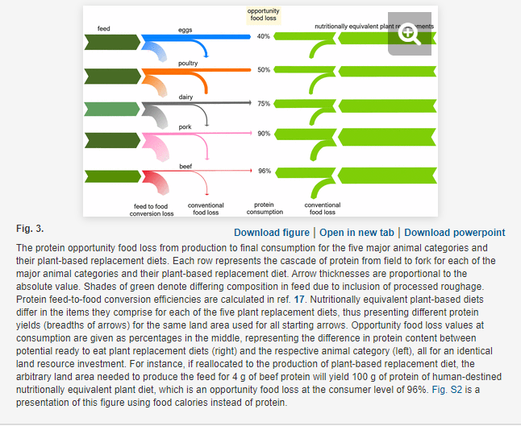
Product | Opportunity food loss (%) | Calculated ratio of plant-based protein output to animal protein output per land area | Pounds of animal products produced | Weighted average ratio
Eggs | 40 | 1.7 | 473875000 | 6.6568723282
Poultry | 50 | 2 | 3196101308
Dairy | 75 | 4 | 920,728,230
Pork | 90 | 10 | 4248292000
Beef | 96 | 25 | 299417000

